OUTLINE FOR CANDIDATE INTERVIEW
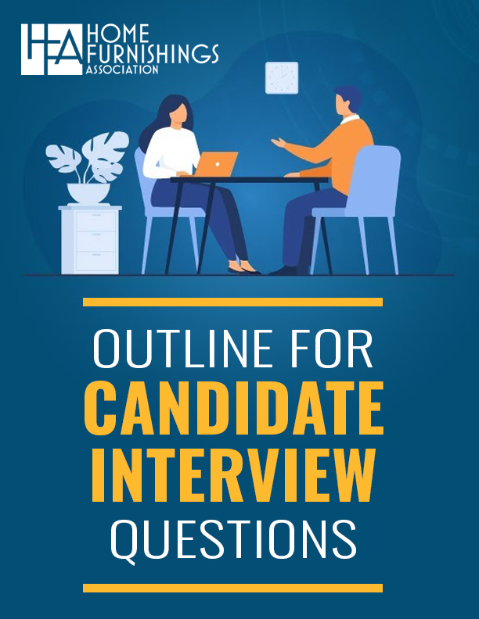
As a companion to this scoring rubric, download our free
OUTLINE FOR CANDIDATE INTERVIEWING QUESTIONS
https://myhfa.org/hfa-candidate-interview-questions/

